Table 2-4
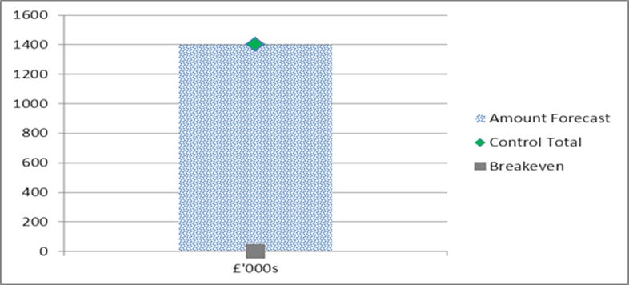
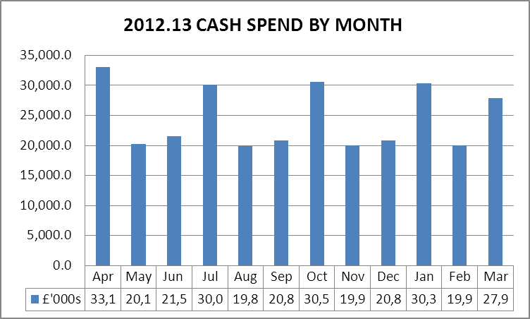
TABLE 2 - BETTER PAYMENT PRACTICE |  |  | TABLE 4 - CASH
CSS

Better Payment Practice Code - Measure of Compliance | Number | £000s

Non-NHS Payables
Total Non-NHS Trade Invoices Paid in the Year | 1,254 | 23,017
Total Non-NHS Trade Invoices Paid Within Target | 960 | 22,034
Percentage of Non-NHS Trade Invoices Paid Within Target | 76.6 | 95.7
NHS Payables
Total NHS Trade Invoices Paid in the Year | 323 | 24,847
Total NHS Trade Invoices Paid Within Target | 286 | 24,335
Percentage of NHS Trade Invoices Paid Within Target | 88.5 | 97.9 | TABLE 4- QIPP
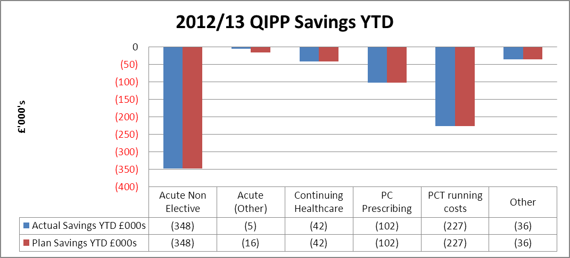
From 1st April the CSS are now managing our payments using a new invoice approval system. We have met the target with value but not in number. We are in the process of completing some focused work in this area on invoices on the system which are pre 1st April.

NELC Shared Service

Better Payment Practice Code - Measure of Compliance | Number | £000s

Non-NHS Payables
Total Non-NHS Trade Invoices Paid in the Year | 3,953 | 4,686
Total Non-NHS Trade Invoices Paid Within Target | 3,759 | 4,512
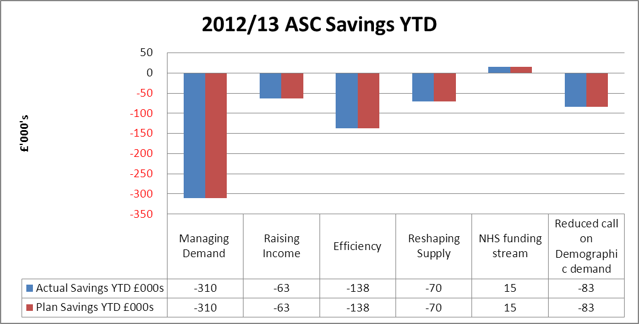
Percentage of Non-NHS Trade Invoices Paid Within Target | 95.1 | 96.3

Target achieved for April and May

Table 3 - Surplus

