Table 2-4
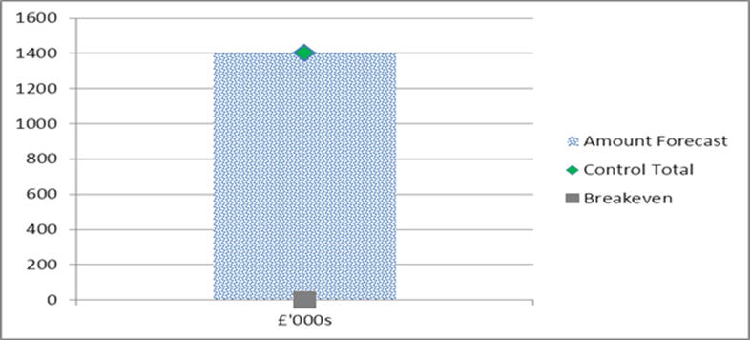
2012.13 CASH SPEND BY MONTH
 | £'000s
Apr | 33112
May | 20192
Jun | 21610
Jul | 29892
Aug | 19122
Sep | 20606
Oct | 30510
Nov | 19202
Dec | 24434.4
Jan | 30484.4
Feb | 27234.4
Mar | 23817.4
TABLE 2 - BETTER PAYMENT PRACTICE |  |  | TABLE 4 - CASH
CSS

Better Payment Practice Code - Measure of Compliance | Number | £000s

Non-NHS Payables
Total Non-NHS Trade Invoices Paid in the Year | 6,314 | 71,253
Total Non-NHS Trade Invoices Paid Within Target | 5,329 | 69,012
Percentage of Non-NHS Trade Invoices Paid Within Target | 84.4 | 96.9
NHS Payables
Total NHS Trade Invoices Paid in the Year | 1,566 | 99,209
Total NHS Trade Invoices Paid Within Target | 1,445 | 98,462
Percentage of NHS Trade Invoices Paid Within Target | 92.3 | 99.2 | TABLE 4- QIPP
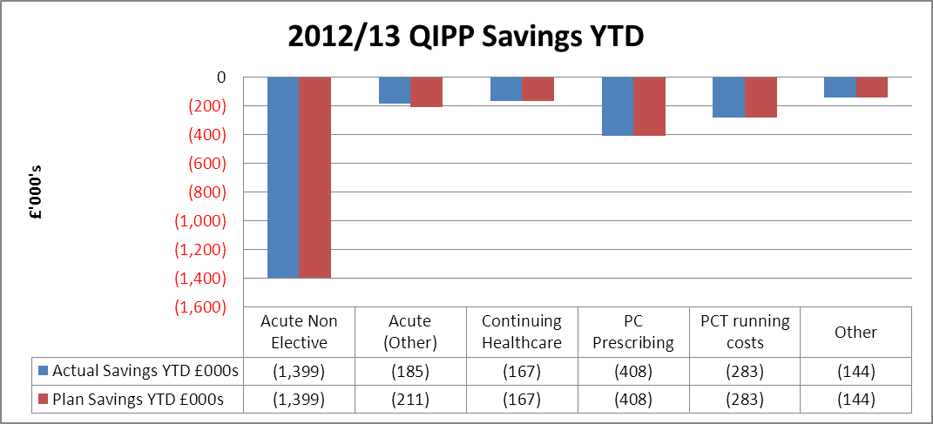
The new invoice approval system that came into effect in April 2012 has significantly helped to improve the management of the purchase ledger. We have met the target in terms of value but not in terms of number this is because we are currently completing some focused work to clear invoices on the system which are pre 1st April and as such this is affecting the BPPC.

NELC Shared Service

Better Payment Practice Code - Measure of Compliance | Number | £000s

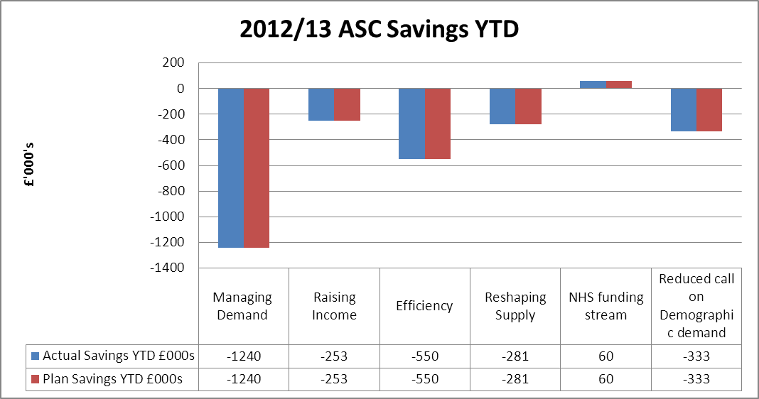
Non-NHS Payables
Total Non-NHS Trade Invoices Paid in the Year | 16,483 | 20,098
Total Non-NHS Trade Invoices Paid Within Target | 13,148 | 16,392
Percentage of Non-NHS Trade Invoices Paid Within Target | 79.8 | 81.6
Non NHS Payables, There has been a deterioration in performance since the last report due in the main to staff sickness. We are developing an action plan to improve performance.

Table 3 - Surplus

