Table 2 - 4
NORTH EAST LINCOLNSHIRE CCG |  |  | TABLE 3 - QIPP Monitoring 16/17

TABLE 2 - BETTER PAYMENT PRACTICE - May 2016

TARGET: TO PAY 95% BY VALUE & NUMBER WITHIN 30 DAYS

SBS
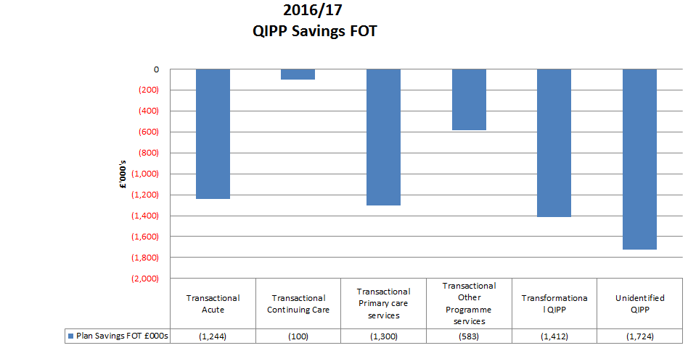
Better Payment Practice Code - Measure of Compliance | Number | £000s

Non-NHS Payables
Total Non-NHS Trade Invoices Paid in the Year | 1,860 | 17,377
Total Non-NHS Trade Invoices Paid Within Target | 1,843 | 17,277
Percentage of Non-NHS Trade Invoices Paid Within Target | 99.1 | 99.4
NHS Payables
Total NHS Trade Invoices Paid in the Year | 442 | 21,339
Total NHS Trade Invoices Paid Within Target | 440 | 21,336
Percentage of NHS Trade Invoices Paid Within Target | 99.5 | 100.0

NELC Shared Service

Better Payment Practice Code - Measure of Compliance | Number | £000s

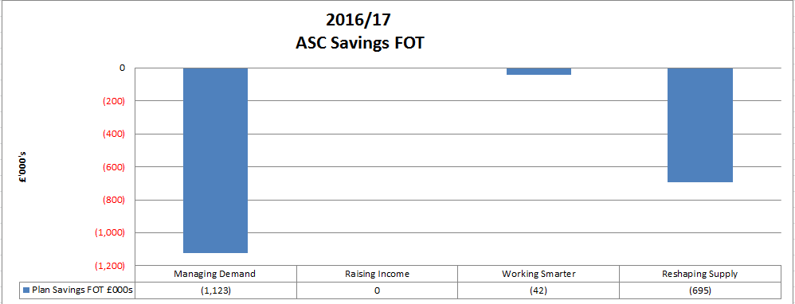
Non-NHS Payables
Total Non-NHS Trade Invoices Paid in the Year | 4,375 | 4,850
Total Non-NHS Trade Invoices Paid Within Target | 4,171 | 4,575
Percentage of Non-NHS Trade Invoices Paid Within Target | 95.3 | 94.3

Table 4 - Cash Profile
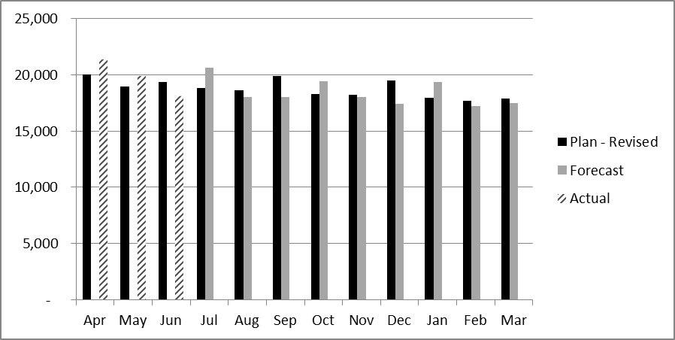

 |  |  | Table 5 - Statement of Financial Position
 |  |  |  | May-16 | Mar-16
 |  |  |  | £ 000's | £ 000's
 |  |  | Total Current Assets | 21,662 | 6,465
 |  |  | Total Current Liabilities | (26,872) | (16,062)
 |  |  | Non-Current Liabilities | (2,119) | (2,119) | `
 |  |  | Total Assets Employed | (7,329) | (11,717)

 |  |  | Tax Payers Equity | (7,329) | (11,717)

